n=4064
n=4064, complete data in waist and dietary records, but not BMI.

PF_TOTAL_LEG is total protein intake.
May not be as relevant.
PF_LEGUMES is the sum of legumes, so this is probably related to Div Gorup.
 | BMXWAIST | RIAGENDR | RIDAGEYR | FIBE | PF_TOTAL_LEG | PF_LEGUMES | KCAL
BMXWAIST | 1.00
RIAGENDR | -0.08 | 1.00
RIDAGEYR | 0.22 | -0.03 | 1.00
FIBE | -0.04 | -0.16 | 0.03 | 1.00
PF_TOTAL_LEG | 0.04 | -0.26 | -0.04 | 0.36 | 1.00
PF_LEGUMES | 0.02 | -0.06 | 0.00 | 0.52 | 0.30 | 1.00
KCAL | 0.04 | -0.35 | -0.13 | 0.52 | 0.53 | 0.16 | 1.00

 | BMXWAIST | RIAGENDR | RIDAGEYR | FIBE | PF_TOTAL_LEG | PF_LEGUMES | KCAL
BMXWAIST | NA
RIAGENDR | 7.90E-07 | NA
RIDAGEYR | 0 | 0.10364287516 | NA
FIBE | 0.0078958540034 | 0 | 0.071894132564 | NA
PF_TOTAL_LEG | 0.013759643463 | 0 | 0.0044851911693 | 0 | NA
PF_LEGUMES | 0.28199298241 | 5.09E-05 | 0.84499234374 | 0 | 0 | NA
KCAL | 0.017178587929 | 0 | 0 | 0 | 0 | 0 | NA

in the order of p-values
BMXWAIST | RIDAGEYR | RIAGENDR | FIBE | PF_TOTAL_LEG | KCAL
 | 0 | 7.90E-07 | 0.0078958540034 | 0.013759643463 | 0.017178587929

KCAL | RIAGENDR | RIDAGEYR | FIBE | PF_TOTAL_LEG | PF_LEGUMES | BMXWAIST
 | 0 | 0 | 0 | 0 | 0 | 0.017178587929

Correlation without PF_TOTAL_LEG.

 | BMXWAIST | RIAGENDR | RIDAGEYR | FIBE | PF_LEGUMES | KCAL
BMXWAIST | 1.00 | -0.08 | 0.22 | -0.04 | 0.02 | 0.04
RIAGENDR | -0.08 | 1.00 | -0.03 | -0.16 | -0.06 | -0.35
RIDAGEYR | 0.22 | -0.03 | 1.00 | 0.03 | 0.00 | -0.13
FIBE | -0.04 | -0.16 | 0.03 | 1.00 | 0.52 | 0.52
PF_LEGUMES | 0.02 | -0.06 | 0.00 | 0.52 | 1.00 | 0.16
KCAL | 0.04 | -0.35 | -0.13 | 0.52 | 0.16 | 1.00

 | BMXWAIST | RIAGENDR | RIDAGEYR | FIBE | PF_LEGUMES | KCAL
BMXWAIST | NA | 7.90E-07 | 0 | 0.0078958540034 | 0.28199298241 | 0.017178587929
RIAGENDR | 7.90E-07 | NA | 0.10364287516 | 0 | 5.09E-05 | 0
RIDAGEYR | 0 | 0.10364287516 | NA | 0.071894132564 | 0.84499234374 | 0
FIBE | 0.0078958540034 | 0 | 0.071894132564 | NA | 0 | 0
PF_LEGUMES | 0.28199298241 | 5.09E-05 | 0.84499234374 | 0 | NA | 0
KCAL | 0.017178587929 | 0 | 0 | 0 | 0 | NA
PF_LEGUMES is not correlated with WAIST, so could be omitted.
KCAL is marginally correlated with WAIST, and is correlated with FIBE, so could be omitted as well, as long as I have FIBE in my model.
My model could be:
WAIST ~ DivGoup + Age + Gender + Fiber, as simple as that!
--> Ran ANCOVA. FIBE was not siginificant but KCAL was. Interesting.. So, I will keep KCAL in the model. And the model now is:
WAIST ~ DivGoup + Age + Gender + KCAL.
But either with KCAL or FIBE in it, the emmeans are not that different, but still the difference DivNA and Div2 is different. (6.2 vs. 5.3 cm). I think the difference is because of adjustment by KCAL.

Correlation for KCAL.

 | KCAL | RIAGENDR | RIDAGEYR | FIBE | PF_LEGUMES
KCAL | 1.00 | -0.35 | -0.13 | 0.52 | 0.16
RIAGENDR | -0.35 | 1.00 | -0.03 | -0.16 | -0.06
RIDAGEYR | -0.13 | -0.03 | 1.00 | 0.03 | 0.00
FIBE | 0.52 | -0.16 | 0.03 | 1.00 | 0.52
PF_LEGUMES | 0.16 | -0.06 | 0.00 | 0.52 | 1.00

 | KCAL | RIAGENDR | RIDAGEYR | FIBE | PF_LEGUMES
KCAL | NA | 0 | 0 | 0 | 0
RIAGENDR | 0 | NA | 0.10364287516 | 0 | 5.09E-05
RIDAGEYR | 0 | 0.10364287516 | NA | 0.071894132564 | 0.84499234374
FIBE | 0 | 0 | 0.071894132564 | NA | 0
PF_LEGUMES | 0 | 5.09E-05 | 0.84499234374 | 0 | NA
Everything is correlated with KCAL.
the order of |R|: FIBE, Gender, PF_LEGUMES, Age.
Fiber and KCAL are positively correlated?? Really?? --> checked in scatterplot --> Datapoints are in the upper triangle, meaning that those who consume a lot of FIBE are eating a lot of food (calories).
FIBE and PF_LEGUMES are correlated (R=0.52). So I could omit either of them. FIBE may be better to retain, because it has a higher R with KCAL than PF_LEGUMES has.
So, my model would be:
KCAL = DivGroup + Age + Gender + FIBE.
Ran ANCOVA --> All terms are significant.

Correlation for BMI.

 | BMXBMI | RIAGENDR | RIDAGEYR | KCAL | FIBE | PF_LEGUMES | BMXWAIST
BMXBMI | 1.00 | 0.07 | 0.06 | 0.00 | -0.07 | 0.00 | 0.91
RIAGENDR | 0.07 | 1.00 | -0.03 | -0.35 | -0.16 | -0.06 | -0.08
RIDAGEYR | 0.06 | -0.03 | 1.00 | -0.13 | 0.03 | 0.00 | 0.22
KCAL | 0.00 | -0.35 | -0.13 | 1.00 | 0.52 | 0.16 | 0.04
FIBE | -0.07 | -0.16 | 0.03 | 0.52 | 1.00 | 0.52 | -0.04
PF_LEGUMES | 0.00 | -0.06 | 0.00 | 0.16 | 0.52 | 1.00 | 0.02
BMXWAIST | 0.91 | -0.08 | 0.22 | 0.04 | -0.04 | 0.02 | 1.00

8 people are missing BMI!!!!
I need to filter out those and use only those that have complete data for BMI, waist, and dietary records.
(n) | BMXBMI | RIAGENDR | RIDAGEYR | KCAL | FIBE | PF_LEGUMES | BMXWAIST
BMXBMI | 4038 | 4038 | 4038 | 4038 | 4038 | 4038 | 4038
RIAGENDR | 4038 | 4046 | 4046 | 4046 | 4046 | 4046 | 4046
RIDAGEYR | 4038 | 4046 | 4046 | 4046 | 4046 | 4046 | 4046
KCAL | 4038 | 4046 | 4046 | 4046 | 4046 | 4046 | 4046
FIBE | 4038 | 4046 | 4046 | 4046 | 4046 | 4046 | 4046
PF_LEGUMES | 4038 | 4046 | 4046 | 4046 | 4046 | 4046 | 4046
BMXWAIST | 4038 | 4046 | 4046 | 4046 | 4046 | 4046 | 4046

 | BMXBMI | RIAGENDR | RIDAGEYR | KCAL | FIBE | PF_LEGUMES | BMXWAIST
BMXBMI | NA | 8.05E-06 | 0.00025384055166 | 0.90138087889 | 2.57E-06 | 0.89348031133 | 0
RIAGENDR | 8.05E-06 | NA | 0.10364287516 | 0 | 0 | 5.09E-05 | 7.90E-07
RIDAGEYR | 0.00025384055166 | 0.10364287516 | NA | 0 | 0.071894132564 | 0.84499234374 | 0
KCAL | 0.90138087889 | 0 | 0 | NA | 0 | 0 | 0.017178587929
FIBE | 2.57E-06 | 0 | 0.071894132564 | 0 | NA | 0 | 0.0078958540034
PF_LEGUMES | 0.89348031133 | 5.09E-05 | 0.84499234374 | 0 | 0 | NA | 0.28199298241
BMXWAIST | 0 | 7.90E-07 | 0 | 0.017178587929 | 0.0078958540034 | 0.28199298241 | NA

n=4038
n=4038, Complete data in waist, BMI, and dietary records.

Response = Waist.
use performanceAnalytics::chartCOrrelation.
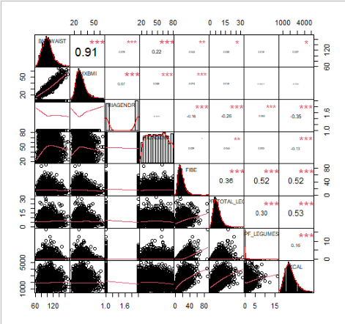
Covariates shoud not be highly correlated with each other.
This will also help in reducing the number of covariates.
The highest correlation is between
KCAL and PF_TOTAL_LEG, R=0.53, followed by
FIBE and PF_LEGUMES, and
FIBE and KCAL. both R=0.52.
PF_LEGUMES is not correlated with waist.
PF_LEGUMES is directly related to DivGroup, so it is not a covariate... it's another measure of DivGroup, and it is not good to have another main-factor-like variable here, i think.
Want to keep KCAL...
Removing FIBE, PF_LEGUMES, and PF_TOTAL_LEG will remove a lot of correlations.
Remove them, let's look at the correlation again.

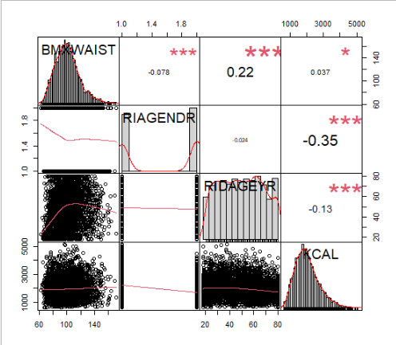
Age and Gender are OK.
Age and KCAL are statistically correlated, but R= -0.13 is low and it is hard to see they are correlated from the scatterplot. I can keep both of them.
So, my model is
Waist = DivGroup + Gender + Age + KCAL.
DivNA-Div2= 6.22 cm, p<0.0001.
So, Div2 group had 6.22 cm lower waist circumference than DivNA group (p<0.0001).

Response = KCAL
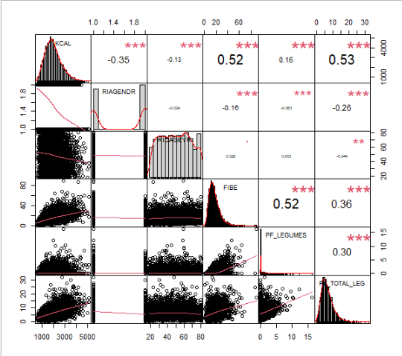
All the covariates are correlated with KCAL.
PF_LEGUMES are directly correlated with DivGroup, so should'nt be included.
PF_TOTAL_LEG is correlated with other covariates.
FIBE is correlated with KCAL, so it can stay.
So we will look at FIBE-adjusted KCAL.
KCAL = DivGrroup + Age + Gender + FIBE.
BUT adding FIBE in the model reverses the KCAL values for each group of DivGroup. i.e. Div2 has the lowest KCAL intake. Having FIBE may not be a good idea because it is corrleated with DivGroup, and having FIBE and DivGroup in the model it would be like having two main factor-like variables in one model. What if I use PF_LEGUME, which is correlated with FIBE?
KCAL = DivGroup + Age + Gender + PF_LEGUME.
Then, DivGroup is not significant with this model, and emmeans of KCAL are all similar when adjusted by PF_LEGUME.
My model is:
KCAL = DivGroup + Age + Gender.
DivNA - Div2= -287. p<.0001.
So, Div2 group had 287 KCAL higher calorie intake than DivNA group (p<0.0001).

Response = BMI
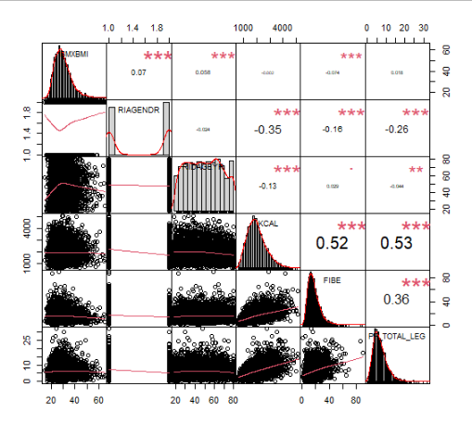
KCAL and PF_TOTAL_LEG are not correlated with BMI.
And FIBE shouldn't be in the model as discussed before.
BMI = DivGroup + Age + Gender.
DivNA-Div2 = 2.288, p<.0001.
So, Div2 group had 2.3 lower BMI than DivNA group (p<0.0001).

.

